Sheet1
sr.no | Questions | Answers
 | 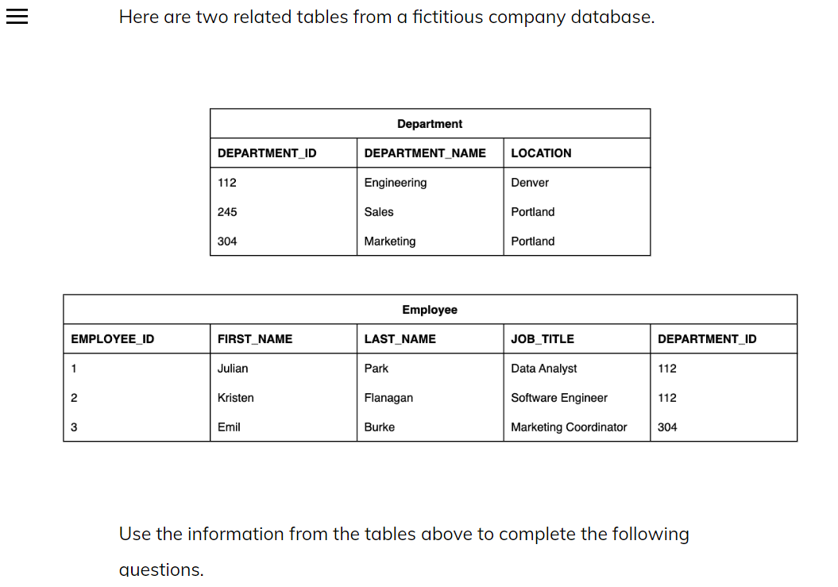
1 | What entities are captured above? a) Department ID, Employee ID b) Portland, Engineering c) Department Name, Location d) Department, Employee | d
2 | Which of the following is NOT a data item? a) Engineering b) Park c) Employee d) 245 | c
3 | Which are examples of attributes? a) First Name, Last Name, Location b) Department ID, Department, Employee ID c) Employee ID 1, Employee ID 2, Employee ID 3 d) Employee, Department, Department ID | a
4 | Select the primary key(s): a) FIRST_NAME b) LAST_NAME c) EMPLOYEE_ID d) DEPARTMENT_ID | c,d
5 | Select the foreign key(s): a) EMPLOYEE_ID b) DEPARTMENT_ID c) NAME d) LOCATION | b
6 | Which numeric data type is more precise? a) DECIMAL b) FLOAT c) DOUBLE d) DATE | a
7 | What’s the difference between CHAR and TEXT? a) For CHAR, you have to set an upper limit on how many characters the value can be. For TEXT, you have to set a lower limit on how many characters the value can be. b) For CHAR, you have to set a lower limit on how many characters the value can be. For TEXT, you have to set an upper limit on how many characters the value can be. c) CHAR is used to store long strings of text. TEXT is used to store short strings of text. d) CHAR is used to store strings with fixed lengths. TEXT is used to store long text strings. | d
8 | True or False: All databases have the same data types. a) True b) False | b
9 | In MySQL if you use a BOOLEAN data type, a value of _______ means false, and a value of _______ means true. a) 0, 1 b) 1, anything else c) 1, 0 d) Anything other than 1, 1 | a
10 | If a column with an integer data type is UNSIGNED, the data in that column ________. a) cannot be a negative number b) cannot be a positive number c) is limited to 127 characters d) cannot have special characters | a
11 | A retail company has locations all over the United States. They have two tables: one for details about each state and one for details about each store including what state the store is in. These two tables are related using the stateID, which appears in the store table as a foreign key. What kind of relationship exists between the state table and the store table? a) One-to-many b) Many-to-many c) One-to-one d) Zero-to-one | a
12 | An online business takes orders and ships items to customers who are usually other companies. In their database they have an order table and a shipping table. The shipping table contains a column for the orderID. Sometimes they have to split an individual order into more than one shipment, and sometimes they hold several orders to ship at once to a single destination. What kind of relationship exists between the order table and the shipping table? a) One-to-many b) Many-to-many c) One-to-one d) Zero-to-one | b
13 | A library tracks their books using a database. They have a table for patrons of the library, which includes their patronID. They also have a table for their book inventory. The book inventory table includes a column for the patronID of the individual who checked out that book. What kind of relationship exists between the patron table and the book inventory table? a) One-to-many b) Many-to-many c) One-to-one d) Zero-to-one | a
14 | A company uses a database to store information about its employees. They have a table for employee information like employee ID, name, mailing address, and phone number. Every year they give a one-time bonus to all employees, and record that information in a table. The bonus table includes the amount of bonus, the date given, and the employee ID as a foreign key. What kind of relationship exists between the employee table and the bonus table? a) One-to-many b) Many-to-many c) One-to-one d) Zero-to-one | a
 | Scenario: A teacher uses a database to track her students’ progress in the classroom. She has a table for students and a table for grades. The student table includes columns for personal details including their name, address, and phone number. The grade table includes columns for all of the assignments as well as a column for the student ID. Before you start creating the ERD, answer the following questions about the scenario:
15 | What is the relationship between the student table and the grade table? a) One-to-one b) One-to-many c) Many-to-many | b
16 | What is a good primary key for the student table? a) STUDENT_ID b) GRADE_ID c) individualstudentid d) ID | a
17 | What is a good primary key for the grade table? a) GRADE_ID b) ORDER_ID c) STUDENT_ID d) ID | a
18 | 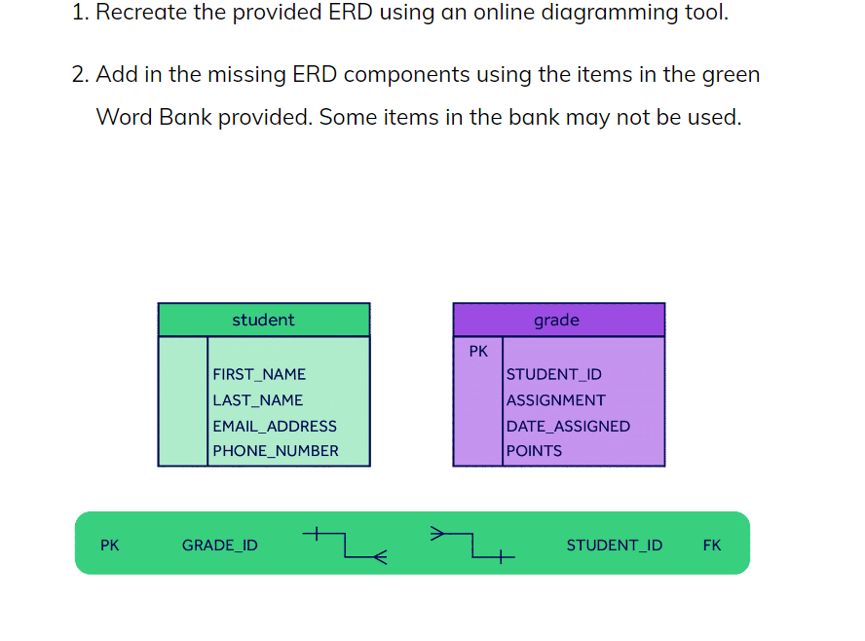 | 